
 |  |  |  | CODE: |  |  | pl1206BC ab SN from 01A000
DESCRIPTION: |  | EXTERNAL PARTS |  | EXTERNE TEILE | EXTERNES PARTIES | EXTERNAS PARTES | PARTI ESTERNE
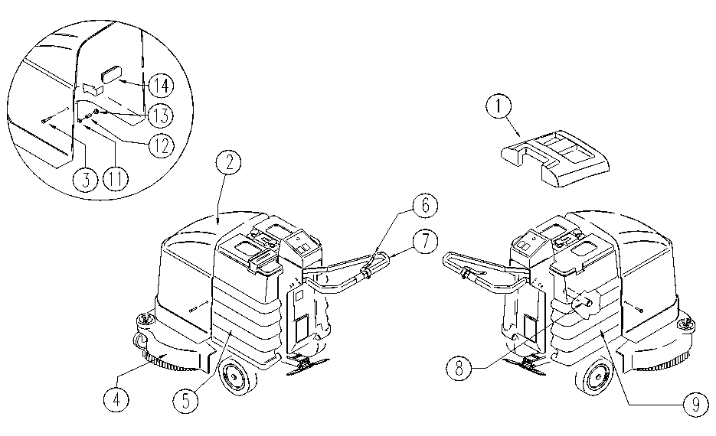

REF. | CODE | DESCRIPTION | QT
1 | E86437 | LID | 1
2 | E86436 | HOOD | 1
3 | SL0416 | SCREW | 2
4 | E86424 | BRUSH COVER | 1
5 | SL1713 | TANK | 1
6 | E86715 | LEVER | 1
7 | E89263 | HANDGRIP | 1
8 | SL0720 | CROSS | 1
9 | E86328 | TANK | 1
11 | E86463 | WASHER | 2
12 | SL0752 | SPACER | 2
13 | E86428 | BUSHING / BUSH | 2
14 | SL1744 | CAP | 1

